Profile

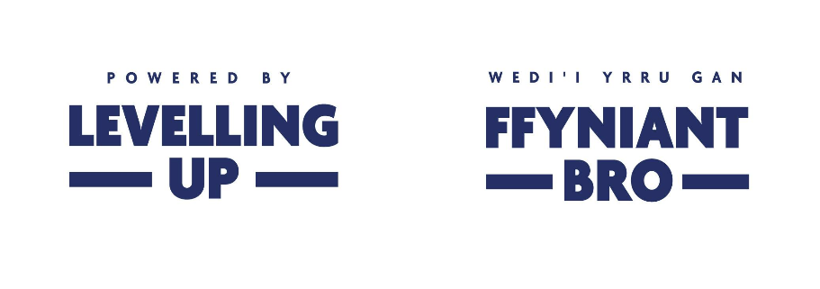


Group Name:
Profile Date:
Profile Version
Project Duration

 | 2024/2025
 | April to June | July to Sept | Oct to Dec | TOTAL
Expenditure

Capital

Demolition |  |  |  | 0
Construction/Repairs |  |  |  | 0
Contingency |  |  |  | 0
Equipment |  |  |  | 0
Total | 0 | 0 | 0 | 0

Professional Fees |  |  |  | 0
Total | 0 | 0 | 0 | 0

Total Capital Costs | 0 | 0 | 0 | 0

Revenue

Human Resources
Recruitment |  |  |  | 0
Redundancy |  |  |  | 0
Human Resources Total | 0 | 0 | 0 | 0

ICT
Hardware Purchase |  |  |  | 0
Software Purchase |  |  |  | 0
ICT Total | 0 | 0 | 0 | 0

Legal & Professional
Consultancy fees |  |  |  | 0
Evaluation, development & monitoring |  |  |  | 0
Legal & Professional Total | 0 | 0 | 0 | 0

Marketing & Promotion
Translation |  |  |  | 0
Advertising & promotion |  |  |  | 0
Events |  |  |  | 0
Marketing & Promotion Total | 0 | 0 | 0 | 0

Overheads
Flat Rate @ 15% | 0 | 0 | 0 | 0
Total Overheads | 0 | 0 | 0 | 0

Project Activities
Room Hire |  |  |  | 0
Refreshments & Materials |  |  |  | 0
Project Activities Total | 0 | 0 | 0 | 0

Staff
Project Staff |  |  |  | 0
Staff/Volunteer Training |  |  |  | 0
Project Staff Match Funding |  |  |  | 0
Staff Total | 0 | 0 | 0 | 0

Travel & Transport
Travel & Subsistence |  |  |  | 0
Travel & Transport Total | 0 | 0 | 0 | 0

Training Costs
Training |  |  |  | 0
Training Total | 0 | 0 | 0 | 0

Total Revenue Costs | 0 | 0 | 0 | 0

Total Costs | 0 | 0 | 0 | 0

Funding
Capital
Cash match funding |  |  |  | 0
 |  |  |  | 0
SPF Grant | 0 | 0 | 0 | 0

Total Capital Funding | 0 | 0 | 0 | 0

Revenue
Staff Match Funding | 0 | 0 | 0 | 0
Cash match funding |  |  |  | 0
SPF Grant | 0 | 0 | 0 | 0

Total Revenue Funding | 0 | 0 | 0 | 0

Total Funding | 0 | 0 | 0 | 0

